01.Project Introduction
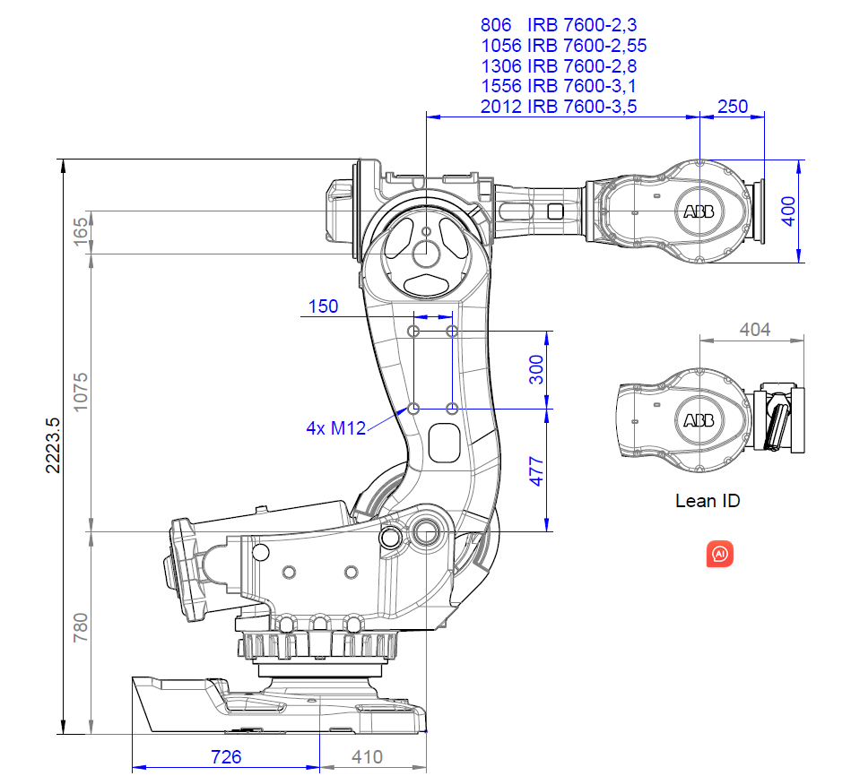 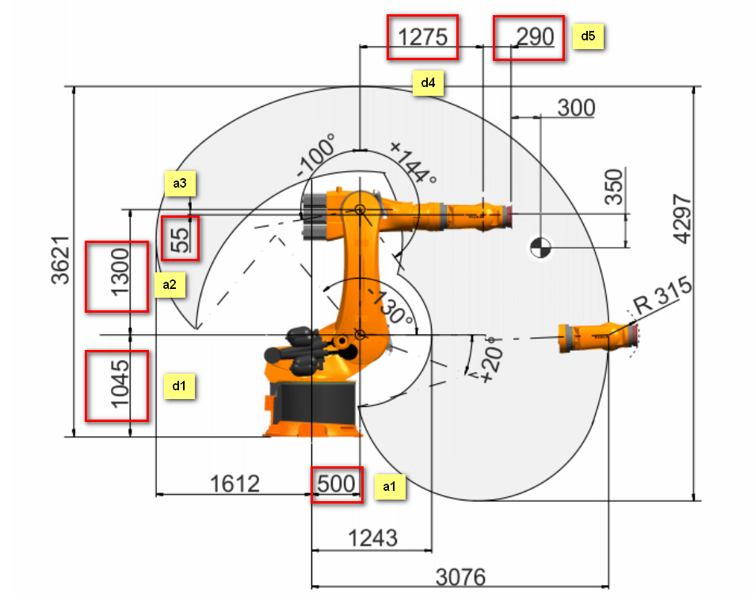 Project Introduction: Robot_Kinematic_Calculation used to calculate the familiar industrial Robot (KUKA, ABB, FANUC, KAWASAKI) 6 DOF forward Kinematic and inverse Kinematic. From the class you can given input J1-J6 joint degree for Robot and will auto calculate the end effector posture, and same if you give the end effector posture, you can get the J1-J6 JOINT degree for all the possible solutions. The calculation is base on c++ Eigen Library, and all the calculation is deducted from J1 until J6. All the result no matter forward kinematic (KW) or Inverse Kinematic (IK) solutions are verified through SIMENSE Process simulation software; Usage: 6 DOF Industrial Robot forward Kinematic and inverse Kinematic, can be modified to other industry robot like ABB, FANUC and Kawasaki References: https://www.youtube.com/watch?v=C0H8XsSPGyo https://www.youtube.com/watch?v=NDEEKGEQylg Robot DH model data is got from industrial Robot websit, currently in the programing, not all the DH model are writened , need to extend the DH model library, if which needed is bot recorded in programing;

02. Forward Kinematic
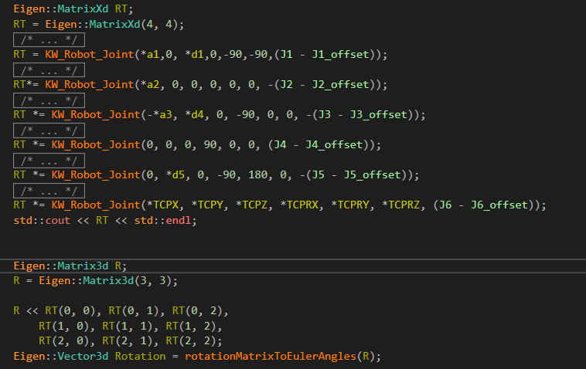
Robot Forward Kinematic Calculation:
Below are the detailed calculation steps:
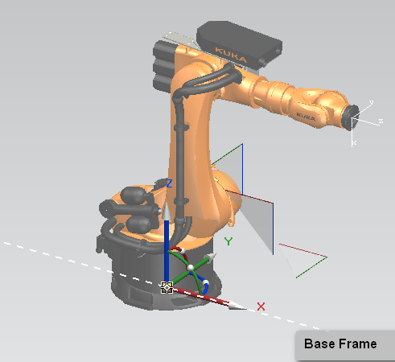
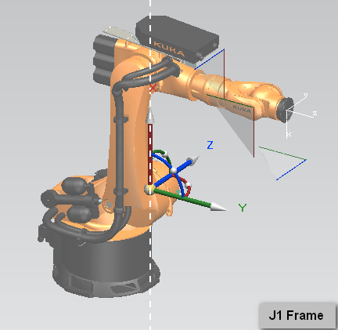

Each industrial Robot will have the 6 joint and each joint have itself Joint coordinate, the forward kinematic
is calcualted from base frame to J6 Tool mounted frame, the 1st step is calculat from base frame to J1 frame

base frame to J1 frame will be through below 4 steps:

1. base frame move a1 distance through X pluse direction;
2. base frame move d1 distance through Z pluse direction;
3. After movement, base frame rotate garma degree through Z aix;
4. After Rotation, new base frame rotate beta degree through new Y aix;
5. After Rotation, new base frame rotate beta degree through new x aix;

upper 5 steps can be writen through Eigen Matirx functions like below, which is called KW_Robot_Joint():
The parameters for the function is explained in programing.
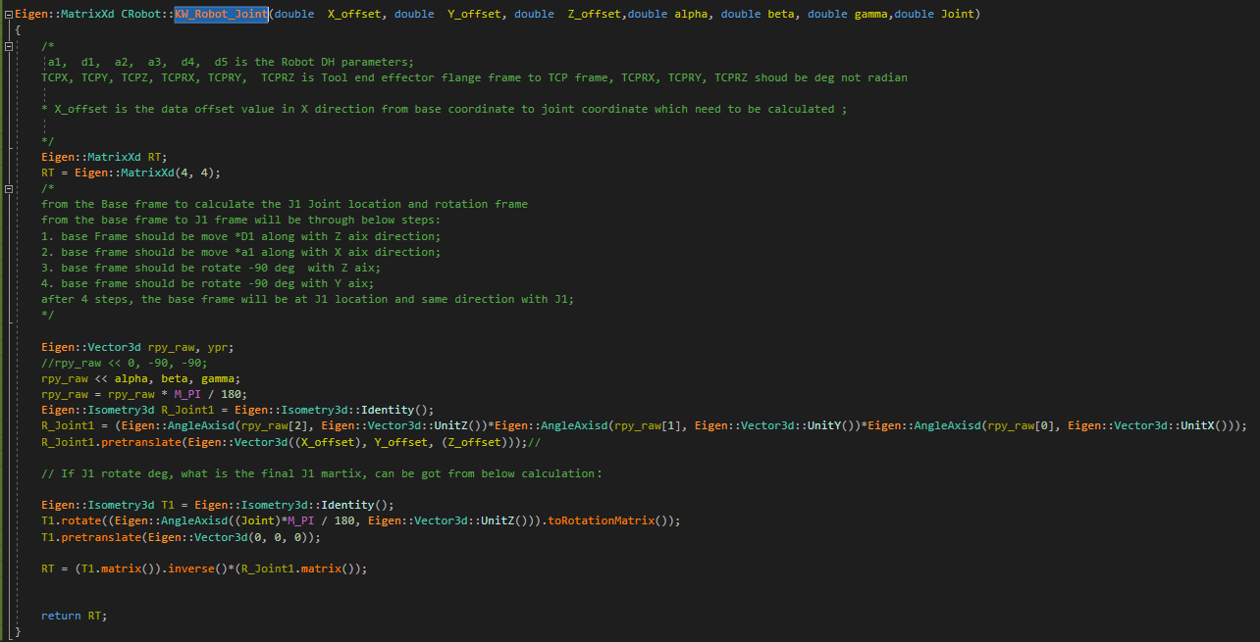

so from base frame to J1 frame can be got the new J1 frame though below calculation:

J1 frame to J2 frame will be through below 4 steps:
1. J1 frame move a2 distance through X pluse direction;
2. no need any rotation between J1 and J2 frame;
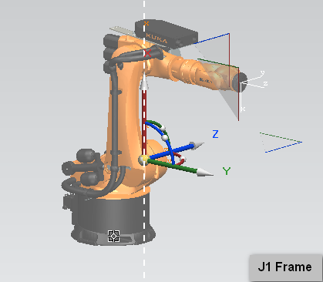
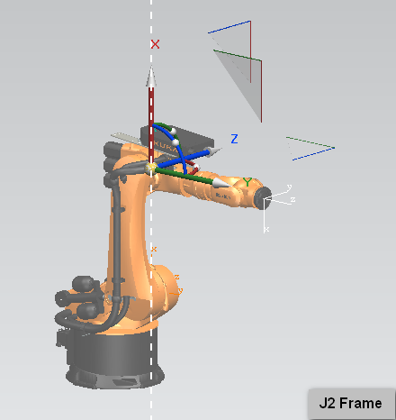

J2 frame to J3 frame will be through below 4 steps:

1. J2 move -a3 distance through X pluse direction;
2. J2 frame move d4 distance through Y pluse direction;
3. After movement, base frame rotate 0 degree through Z aix;
4. After Rotation, new base frame rotate 0 degree through new Y aix;
5. After Rotation, new base frame rotate -90 degree through new x aix;

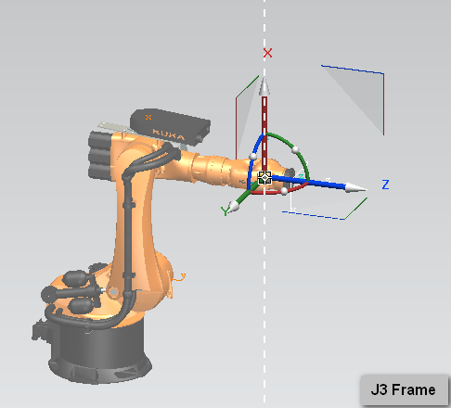

J3 frame to J4 frame will be through below 4 steps:
1. J3 rotate 90 degree according to the X direction to get J4 frame;
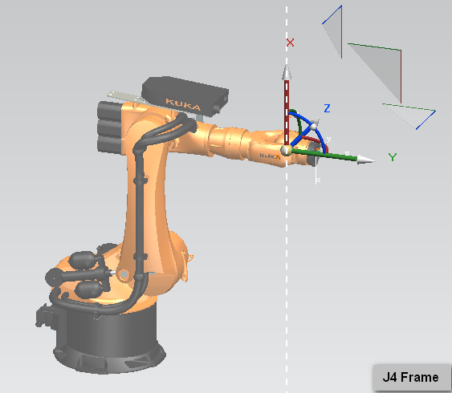

why here need rotate back from J3 to J4?
because the user joint should be always follow Z direction to rotate, here J4 joint should keep Z direction
same with wrist rotate direction

J4 frame to J5 frame will be through below 4 steps:
1. J4 frame should be move 0 along with X aix direction;
2. J4 frame should be move *d5 along with Y aix direction;
3. J4 frame should be move 0 along with Z aix direction;
4. J4 frame should be rotate 0 deg with Z aix;
5. J4 frame should be rotate 180 deg with Y aix;
6. J4 frame should be rotate -90 deg with X aix;

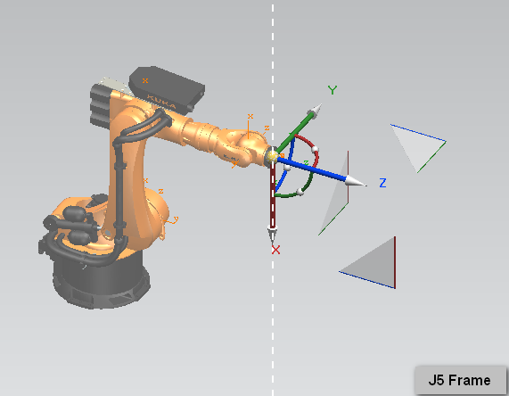

Here for KUKA ABB ,FANUC J5==J6, but for KAWASAKI should rotate 180 deg;
J6 frame to TCP frame will be through below 4 steps:
1. J5 frame should be move *TCPX along with X aix direction;
2. J5 frame should be move *TCPY along with Y aix direction;
3. J5 frame should be move *TCPZ along with Z aix direction;
4. J5 frame should be rotate *TCPRZ deg with Z aix;
5. J5 frame should be rotate *TCPRY deg with Y aix;
6. J5 frame should be rotate *TCPRX deg with X aix;

How to get the translation matrix between TCP frame and Tool flange frame?
, it is defined during TOOL manufacturing phase;
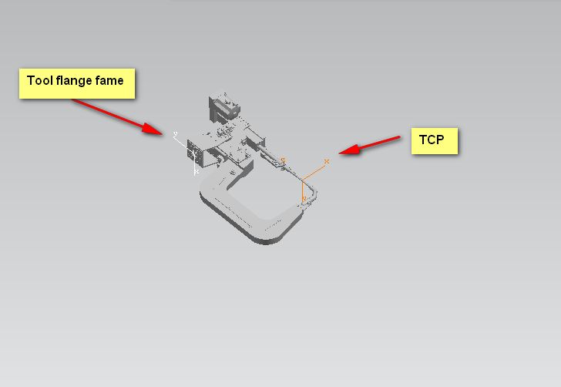
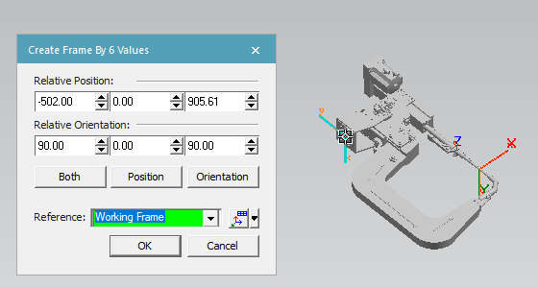

Finally RT from base frame to TCP will be as below:

03. Inverse Kinematic
Robot Inverse Kinematic Calculation:
Below are the detailed calculation steps:
1. Follow forward kinematic calculation from A0 frame to A6 frame;
Matrix A01-A56 is calculated below :
A01=
 | 0 | c1 | s1 | a1*c1
 | 0 | -S1 | c1 | -a1*s1
 | 1 | 0 | 0 | d1
 | 0 | 0 | 0 | 1
A12=
 | c2 | s2 | 0 | a2*c2
 | -s2 | c2 | 0 | a2*s2
 | 0 | 0 | 1 | 0
 | 0 | 0 | 0 | 1
A23=
 | c3 | 0 | s3 | -a3*c3+d4*s3
 | -s3 | 0 | c3 | a3*s3+d4*c3
 | 0 | -1 | 0 | 0
 | 0 | 0 | 0 | 1
A34=
 | c4 | 0 | -s4 | 0
 | -s4 | 0 | -c4 | 0
 | 0 | 1 | 0 | 0
 | 0 | 0 | 0 | 1
A45=
 | -c5 | 0 | s5 | d5*s5
 | s5 | 0 | c5 | d5*c5
 | 0 | 1 | 0 | 0
 | 0 | 0 | 0 | 1
A56=
 | c6 | s6 | 0 | 0
 | -s6 | c6 | 0 | 0
 | 0 | 0 | 1 | 0
 | 0 | 0 | 0 | 1

A06=A01*A12*A23*A34*A45*A56;
define the J6 coordinate martix is as below:
 | a11 | a12 | a13 | x0
 | a21 | a22 | a23 | y0
 | a31 | a32 | a33 | z0
 | 0 | 0 | 0 | 1

A01-1*A*A56-1=A12*A23*A34*A45

1. To Calculate J1 solutions:
A01-1*A*A56-1

A12*A23*A34*A45=

c1=cos(J1); S1=sin (J1)
c2= cos(J2); S2=sin(J2);
C23=COS(J2+J3); S23=sin(J2+J3)

A15(2,3)/A15(2,2)=d5;
(s1*x0+c1*y0)/(s1*a13+c1*a23)=d5;
J1 = atan2(((d5) * a23 - y0), (x0 - (d5) * a13));
J1_Solution.push_back(J1);
J1_Solution.push_back(J1 + M_PI); |  |  |  | For J1 solution will be have 2 options

2. To calculate J2 solutions:
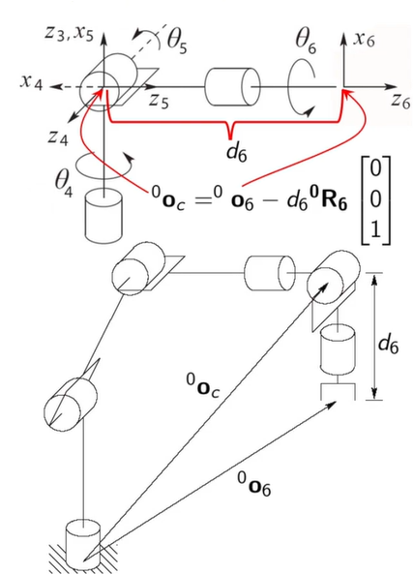

According to upper information , 0Oc is RJ_5 joint vector means can got the RJ_5 joint position
information but can not got the rotation matrix;

each J1 can be calculate out 4 option solutions for J2

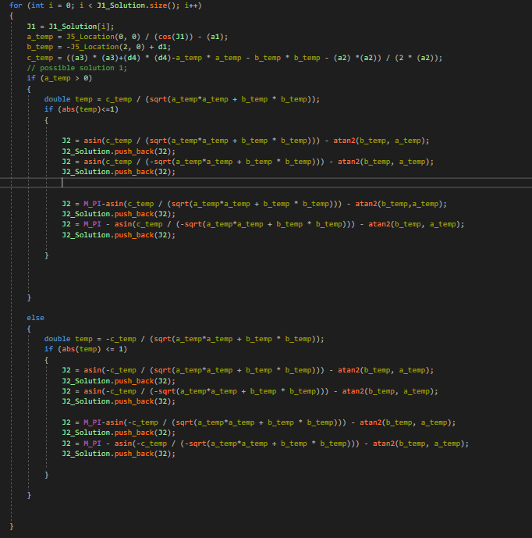

3. To calculate J3 solutions:

when calcualte J2, can be get the data for sin(J2+J3), if J2 data got , use asin() function can be got data for J3,
same J3 data will be have double quantities solutions for J2.

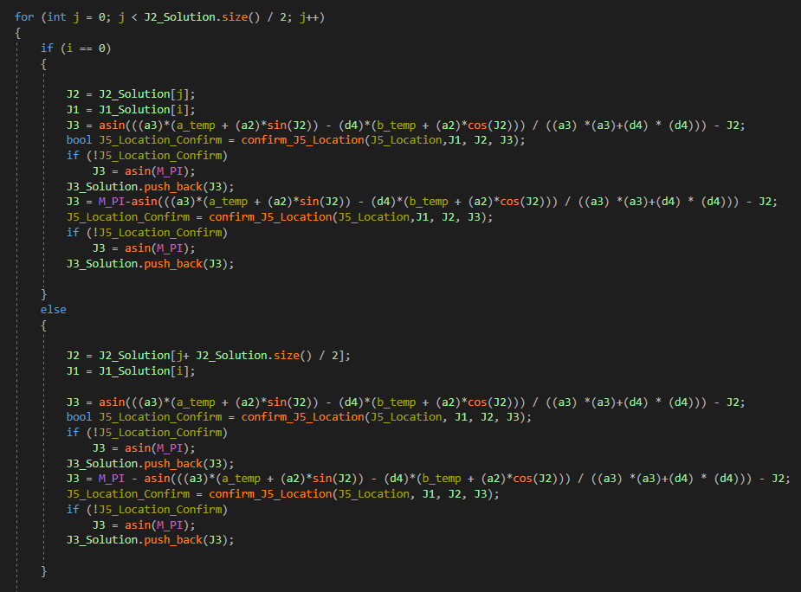

here effect in another functions : confirm_J5_Location();
the purpose of this fuction is to double confirm those solutions J1/J2/J3 can be got correct J5 locations or not
if the J5 location is not correct, then need remove this solution from results.
4. To calculate J4/J5/J6 solutions:
A03 = A01 * A12*A23;
A36 = (A03.inverse())*RJ_6;
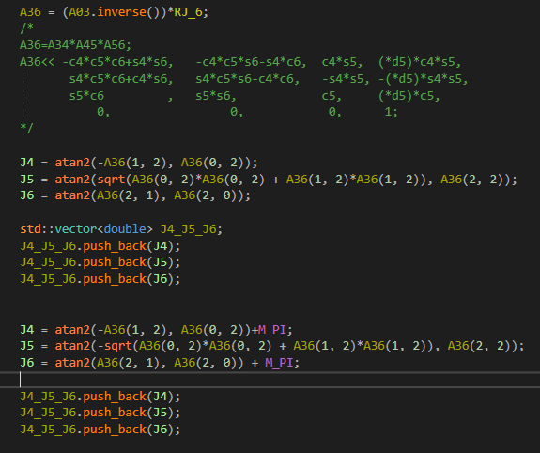

fron Now on, all the possible solutions for J1-J6 are calculated ;

